Course Destinations
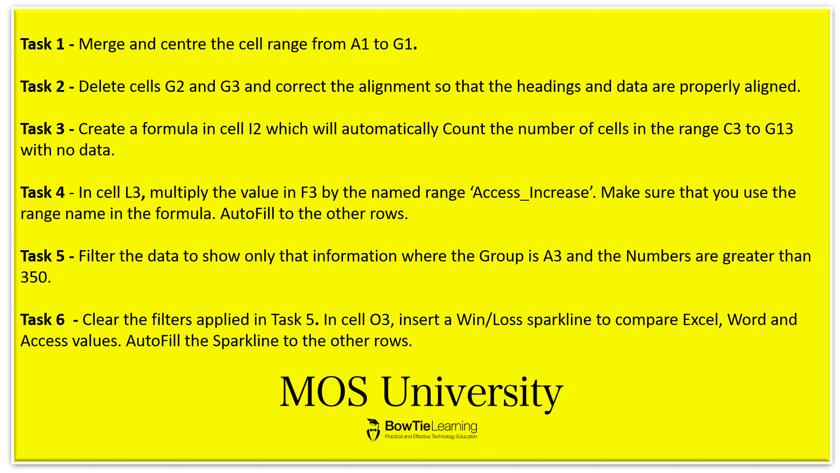
Course Destinations Forecast
Location | Group | Numbers | Excel | Word | Access |  | Access Forecast | 8%
Dublin | A3 | 4,000 |  |  | 1,000
Rome | B4 | 700 |  |  |  | Total Income
Canaries | A1 | 500 |  |  |  | 5,000
Washington | A3 | 350 |  |  |  | 700
Jamaica | C4 | 4,000 | 3,000 |  | 1,000 | 500
Brisbane | C7 | 250 |  |  |  | 350
Sydney | D1 | 500 |  |  | 100 | 8,000
Cork | D9 | 200 | 2,000 | 1,000 |  | 250
Galway | A2 |  | 1,500 | 1,500 | 200 | 600
Belfast | A1 |  | 4,000 | 3,500 | 500 | 3,200
London | A3 | 389 | 2,100 | 3,000 | 400 | 3,200
 |  |  |  |  |  | 8,000
 |  |  |  |  |  | 5,889

